Structure
The table below shows how the tables of the crash schema might be organized.

Segment (table) | Count | Component of | Notes
Crash |  | (Highest level)
Traffic Unit (Vehicle) | 1 or more | Crash
Traffic Unit (Non-Motorist) | 0 or more | Crash | Was previously combined with Vehicle, now a separate segment
Person | 0 or more | Crash | Person-related information; applies to occupants (including driver) and non-motorists
Damaged Property | 0 or more | Crash | Up to 10
Harmful Event Sequence | 1 or more | Crash | First, Second, Third, Fourth, Most
Damaged Location | 0 or more | Vehicle | (Up to) 20 locations on the vehicle
Trailer | 0 or more | Vehicle | Up to 4
Driver Action | 1 or more | Vehicle | Up to 2
Driver Most apparent contributing factor | 1 or more | Vehicle | Up to 3
Non-Motorist Action | 1 or more | Non-Motorist | Up to 2
Non-Motorist Most apparent contributing factor | 1 or more | Non-Motorist | Up to 3
Protective / Reflective Clothing | 0 or more | Non-Motorist | Up to 4

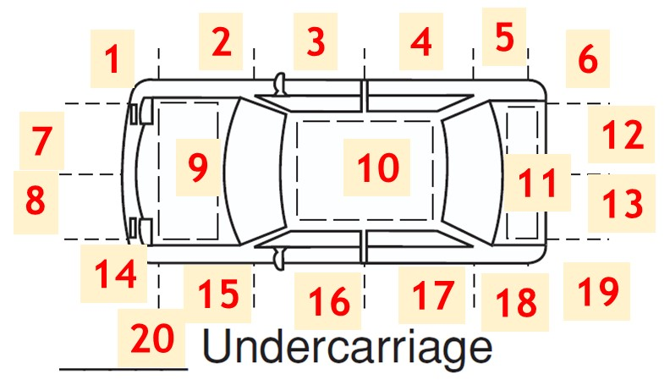
 |  |  |  | The diagram to the left shows an example version of how the different elements would be mapped to the locations on the vehicle. It should be updated based on the convention applied for the DR2447 form.

